Template
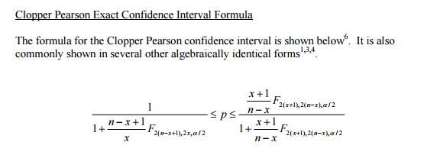

n | all event | n | 1000000 | F.INV.RT(0.05,2,25)
x | true event | p*n=0.65*100 | 65
alpha | 0.05 |  | 0.05

Fl | 1.29571686
Fr | 1.2552814422

p.left= | 5.0165974742E-05
p.right= | 8.2847096481E-05

